INDEX

 | Regional Profiles:
 | Indicators of Development
 | 2013

 | Usefull links:
 | News
 | Analyses
 | Data
 | Methodology
In the spring of 2012 and 2013 IME sent questionnaires to all 264 municipalities in Bulgaria. Our goal is to create a database on local taxes and fees, as well as on the development of local government e-services and "one-stop-shops". | FAQ
 | Contacts

 | Download the full study:
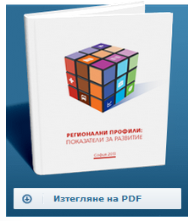

During these two years we received answers form almost 230 municipalities, which we present here.

The database includes information on:

Immovable property tax for legal entities
Local tax on the sale of immovable property
Vehicle tax (commercial and passenger vehicles
Annual license tax for retailers | With the support of:

Annual waste collection charge for properties of legal entities

Municipalities' self assessment on:
Quality of local government e-services
One-Stop-Shop

Data presented here is for 2012 and 2013 only

Fot further analysis of this database, please see "Local Tax Policy 2013"

During 2014 IME will once again send questionnaires to all Bulgarian municipalities, in order to keep the database up to date and include information on even more local taxes and fees. It is our hope that local authorities will continue supporting our efforts.

